Dashboard
Pizza Sales & Delivery Performance
Total Orders
1,004
Total Delayed Orders
210
Average Delivery Time
45,743
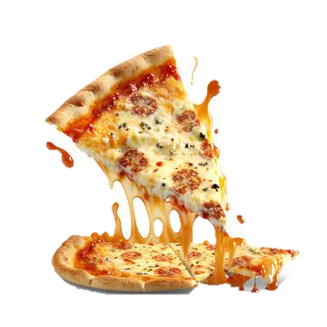

e

Total Order Per Resturant
 | Total
Domino's | 212
Papa John's | 204
Little Caesars | 199
Marco's Pizza | 195
Pizza Hut | 194
Orders by Day Type
 | Total
Weekday | 718
weekend | 286
Top 5 Most Preferred Pizza
 | Total
Non-Veg | 216
Veg | 202
Cheese Burst | 188
Vegan | 132
Sicilian | 64

Average Delivery over Time
 | Total
Jan | 28.64
Feb | 28.31
Mar | 28.09
Apr | 28.41
May | 30.88
Jun | 31.21
Jul | 26.53
Aug | 30.04
Sep | 29.14
Oct | 29.67
Nov | 31.33
Dec | 31.38
Top 10 Orders by States
 | Total
Texas | 128
California | 94
Georgia | 78
Wisconsin | 72
Nebraska | 70
Kentucky | 69
Florida | 66
New Mexico | 59
Massachusetts | 51
Arizona | 47
Colorado | 47
Quarterly Performance Per Resturant
 | Qtr1 | Qtr2 | Qtr3 | Qtr4
Domino's | 55 | 51 | 65 | 41
Little Caesars | 53 | 48 | 53 | 45
Marco's Pizza | 51 | 50 | 50 | 44
Papa John's | 57 | 50 | 52 | 45
Pizza Hut | 52 | 51 | 51 | 40

